1. Title Page
Instacart Grocery Basket Analysis

Project Name: Instacart Grocery Basket Analysis
Date: August 16, 2022
Analyst Name: Munavvar Makhkamova

Contents:
Population Flow
Consistency checks
Wrangling steps
Column derivations
Visualizations
Recommendations

“The Instacart Online Grocery Shopping Dataset 2017”, Accessed from https://www.instacart.com/datasets/grocery-shopping-2017 on 7/15/2022.
The customer data and the “prices” column in the products data set were both fabricated for the purpose of this analysis.

2. Population Flow
Title page

Population flow

Exclusion flag
Condition: max_order < 5
Obervations to be removed: 1,440,295
Final total count of order_products_all: 30,964,564

Orders_products_combined
Orders_products_merged
Orders_products_all

Total: 32,404,859
Total: 32,434,489
Total: 32,404,859

1.) The grey boxes in the first row of the population flow represent the original data sets as they were when you downloaded them. In the Total fields you need to add the count of the rows when you imported the data set into Jupyter.
2.) The second row of boxes (coloured) represents the data sets after you manipulated them, e.g., removed missing values and duplicates. In the Total fields you need to add the count of the rows after conducting these operations. This offers a visual oveview of how the data flows throughout the data consistency checks.
3.) The third row, where also the arrows are coloured, represents the merges you performed between the datasets. In the Total fields you need to add the count of the rows in the merged datasets, so that you end up with the final dataset (in the red box). Keep in mind the final dataset should be without exclusions (based on the exclusion flag).

3. Consistency checks
 |  |  |  |  | Title page
Consistency checks

Dataset | Column | Missing values | Missing values treatment | Duplicates
orders | days_since_prior_order | 206209 NaN | nothing - indicates first order | no duplicate values found
products | product_name | 16 NaN | dataset without missing values created
 | prices | 2 values>25 | changed to NaN
 |  |  |  | 5 records with exact duplicates removed

orders_products_prior |  | no missing values found |  | no duplicate values found
customers | first_name | 11259 NaN | nothing-name will be removed later on | no duplicate values found

4. Wrangling steps
 |  |  |  |  | Title page
Wrangling steps

Dataset | Columns dropped | Columns renamed | Columns' type changed | Comment/Reason
orders | eval_set |  |  | not necessary for analysis
 |  | order_dow->order_day_of_week |  | name was not clear
 |  | user_id->customer_id |  | name was not clear
 |  |  | order_id-> str | column acts as key
orders_products_combined |  |  | customer_id | reduced to int32
 |  |  | order_number | reduced to int8
 |  |  | order_day_of_week | reduced to int8
 |  |  | order_hour_of_day | reduced to int8
 |  |  | days_since_prior_order | reduced to float16
 |  |  | product_id | reduced to int32
 |  |  | add_to_cart_order | reduced to int8
 |  |  | reordered | reduced to int8
customers
 |  | surnam->last_name |  | name was not clear
 |  | n_dependants->number_of_dependants |  | name was not clear
 |  |  | customer_id | reduced to int32
 |  |  | first_name | mixed type data
 |  |  | age | reduced to int8
 |  |  | number_of_dependants | reduced to int8
 |  |  | income | reduced to int32
orders_products_merged |  |  | order_id | reduced to int32
 |  |  | department_id | reduced to int8
 |  |  | aisle_id | reduced to int16
 |  |  | average_price | reduced to float16
 |  |  | prices | reduced to float16
 | __merge |  |  | reduce memory
 | aisle_id |  |  | reduce memory
departments |  |  | department_id | reduced to int8
orders_products_all | first_name |  |  | PII issues
 | last_name |  |  | PII issues
 | department_id |  |  | reduce memory

5. Column derivations
 |  |  |  |  | Title page

Column derivations and aggregations

In this tab you should add tables below that the frequences of flags/label variables that you produced after deriving them. NB: don't do this for continuous variables, only for flags.
Dataset | New column | Column/s it was derived from | Conditions | Code
merged_derived_data | price_range | prices | If price <= $5, it will be labeled a “low-range product.” If price > $5 but l<= $15, it will be labeled a “mid-range product.” If price > $15, it will be labeled a “high-range product.” | df_merged.loc[df_merged['prices']>15,'price_range']='High-range product' df_merged.loc[(df_merged['prices']>5)&(df_merged['prices']<=15), 'price_range']='Mid-range product' df_merged.loc[df_merged['prices']<=5, 'price_range']='Low-range product'
 | busiest_day | order_day_of_week | if day 0 or 1- 'busiest day', if day 4 or 3- 'least busy', else-'regularly busy' | result=[] for value in df_merged['order_day_of_week']: if value==0 or value==1: result.append('Busiest days') elif value==4 or value==3: result.append('Least busy') else: result.append('Regularly busy')
 | busiest_period_of_day | order_hour_of_day | if hour of day <=16 and >=9, then 'most orders', if hour of day <6 then 'fewest orders', else - 'average orders'. | result=[] for value in df_merged['order_hour_of_day']: if value>=9 and value<=16: result.append('Most orders') elif value<6: result.append('Fewest orders') else: result.append('Average orders')
grouped_merged_data | max_order | customer_id, order_number | maximum orders per customer | ords_prods_merge['max_order'] = ords_prods_merge.groupby(['customer_id'])['order_number'].transform(np.max)
 | loyalty_flag | max_order | if max_order>40, customer is 'loyal customer', if max_order<=40 and>10, then customer is 'regular customer', if max_order<=10 then customer is 'new customer'. | ords_prods_merge.loc[ords_prods_merge['max_order']>40, 'loyalty_flag']='Loyal customer' ords_prods_merge.loc[(ords_prods_merge['max_order']<=40)&(ords_prods_merge['max_order']>10), 'loyalty_flag']='Regular customer' ords_prods_merge.loc[ords_prods_merge['max_order']<=10, 'loyalty_flag']='New customer'
 | average_price | customer_id, prices | Mean price per customer | merged_ords_prods['average_price']=merged_ords_prods.groupby(['customer_id'])['prices'].transform(np.mean)
 | spending_flag | average_price | if average_price<10, then customer is 'low spender', if average_price>=10, then customer is 'high spender' | merged_ords_prods.loc[merged_ords_prods['average_price']<10, 'spending_flag']='Low spender' merged_ords_prods.loc[merged_ords_prods['average_price']>=10, 'spending_flag']='High spender'
 | median_order_days | customer_id, days_since_prior_order | median order days per customer | merged_ords_prods['median_order_days']=merged_ords_prods.groupby(['customer_id'])['days_since_prior_order'].transform(np.median)
 | order_frequency_flag | median_order_days | if median_order_days >20, then customer is 'non-frequent customer' if median_order_days >10 and <=20, then customer is 'regular customer', if median_order_days<=10, then customer is 'frequent customer' | merged_ords_prods.loc[merged_ords_prods['median_order_days']>20, 'order_frequency_flag']='Non-frequent customer' merged_ords_prods.loc[(merged_ords_prods['median_order_days']>10)&(merged_ords_prods['median_order_days']<=20), 'order_frequency_flag']='Regular customer' merged_ords_prods.loc[merged_ords_prods['median_order_days']<=10, 'order_frequency_flag']='Frequent customer'
active_customers | state | region | states were divided into 4 regions: South, West, Midwest, Northeast | northeast=['Maine','New Hampshire','Vermont','Massachusetts','Rhode Island','Connecticut','New York','Pennsylvania','New Jersey'] midwest=['Wisconsin','Michigan','Illinois','Indiana','Ohio','North Dakota','South Dakota','Nebraska','Kansas','Minnesota','Iowa','Missouri'] south=['Delaware','Maryland','District of Columbia','Virginia','West Virginia','North Carolina','South Carolina','Georgia','Florida','Kentucky', 'Tennessee','Mississippi','Alabama','Oklahoma','Texas','Arkansas','Louisiana'] west=['Idaho','Montana','Wyoming','Nevada','Utah','Colorado','Arizona','New Mexico','Alaska','Washington','Oregon','California','Hawaii'] df_merged.loc[df_merged['state'].isin(northeast), 'region']='Northeast' df_merged.loc[df_merged['state'].isin(midwest), 'region']='Midwest' df_merged.loc[df_merged['state'].isin(south), 'region']='South' df_merged.loc[df_merged['state'].isin(west), 'region']='West'
 | activity | max_order | if max_order>=5, customer is active, else customer is inactive and should be excluded from analysis | df_merged.loc[df_merged['max_order']>=5, 'activity']='1' df_merged.loc[df_merged['max_order']<5, 'activity']='0'
 | age_group | age | if age<=35, customer is young aged, if age>35 and <=55, customer is middle aged, if age>55, customer is older aged | df_active.loc[df_active['age']<=35, 'age_group']='young' df_active.loc[(df_active['age']<=55)&(df_active['age']>35), 'age_group']='middle' df_active.loc[df_active['age']>55, 'age_group']='older'
 | income_group | income | if income<52000, customer has 'low income', if income>=52000 and <156000, then customer has 'middle income', if income>=156000, customer has 'high income' | df_active.loc[df_active['income']<52000, 'income_group']='low income' df_active.loc[(df_active['income']>=52000)&(df_active['income']<156000), 'income_group']='middle income' df_active.loc[df_active['income']>156000, 'income_group']='high income'
 | dependant_group | number_of_dependants | if customer has more than 0 dependants, customer has dependants, otherwise- customer doesn’t have dependants | df_active.loc[df_active['number_of_dependants']>0, 'dependant_group']='has dependents' df_active.loc[df_active['number_of_dependants']==0,'dependant_group']='no dependents'
 | baby_status | department, customer_id | if department column for customer contains baby stuff, customer has bought baby stuff(1), otherwise customer hasn't bought baby stuff(0) | df_active['baby_status'] = [1 if x == 'babies' else 0 for x in df_active['department']] df_active['baby_status']=df_active.groupby(['customer_id'])['baby_status'].transform(np.max)
 | pet_status | department, customer_id | if department column for customer contains pet stuff, customer has bought pet stuff(1), otherwise customer hasn't bought pet stuff(0) | df_active['pet_status']=[1 if x=='pets' else 0 for x in df_active['department']] df_active['pet_status']=df_active.groupby(['customer_id'])['pet_status'].transform(np.max)
 | vegan_status | department, customer_id | if department column for customer contains meat seafood or dairy eggs stuff, customer is not vegan (1), otherwise customer is vegan(0) | df_active['vegan_status']=[1 if (x=='meat seafood')or(x=='dairy eggs') else 0 for x in df_active['department']] df_active['vegan_status']=df_active.groupby(['customer_id'])['vegan_status'].transform(np.max)
 | alcohol_status | department, customer_id | if department column for customer contains alcohol, customer has bought alcohol(1), otherwise customer hasn't bought alcohol(0) | df_active['alcohol_status']=[1 if x=='alcohol' else 0 for x in df_active['department']] df_active['alcohol_status']=df_active.groupby(['customer_id'])['alcohol_status'].transform(np.max)

6.Vizs & Recommendations
 |  |  |  |  |  |  | Title page

Visualisations and Recommendations

 | KEY QUESTIONS

 | Q1. The sales team needs to know what the busiest days of the week and hours of the day are (i.e., the days and times with the most orders) in order to schedule ads at times when there are fewer orders.

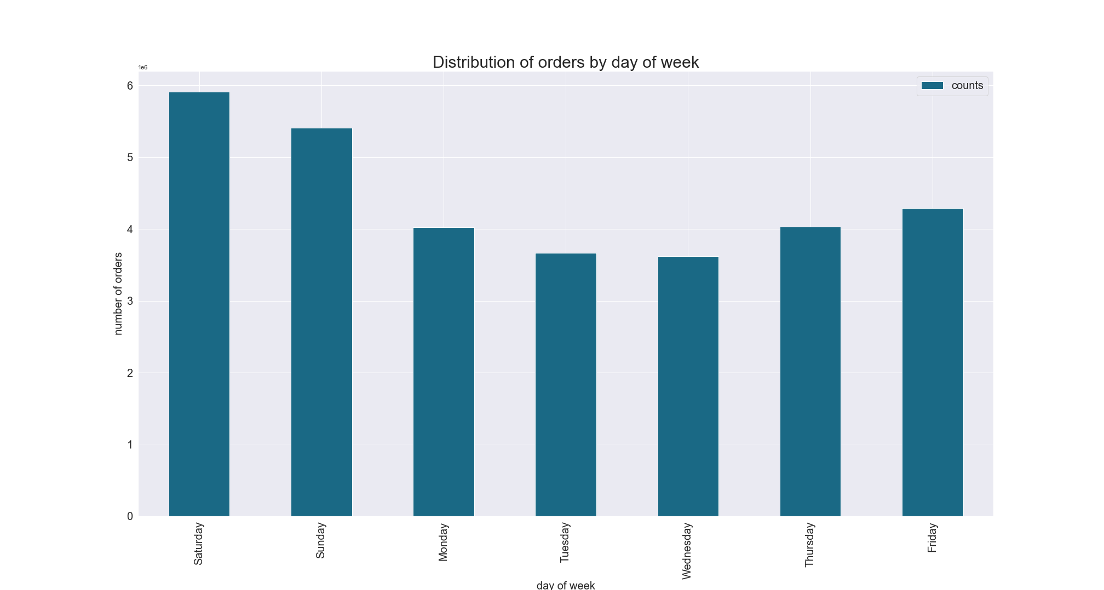


 |  | This histogram shows the number of orders placed at each hour of day. |  | The bar chart here presents the number of orders placed each day of the week.
 |  | We can see that most of the orders are placed starting from 9 am till 4 pm. It is recommended to schedule ads outside of this time period. |  | We can clearly see that most of the orders are made during the weekend, so the ads could be scheduled on weekdays.

 |  | RECOMMENDATION: Ads should be scheduled from 4 pm till 9 am during weekdays when the ordering activity is at minimum.

 | Q2. They also want to know whether there are particular times of the day when people spend the most money, as this might inform the type of products they advertise at these times.
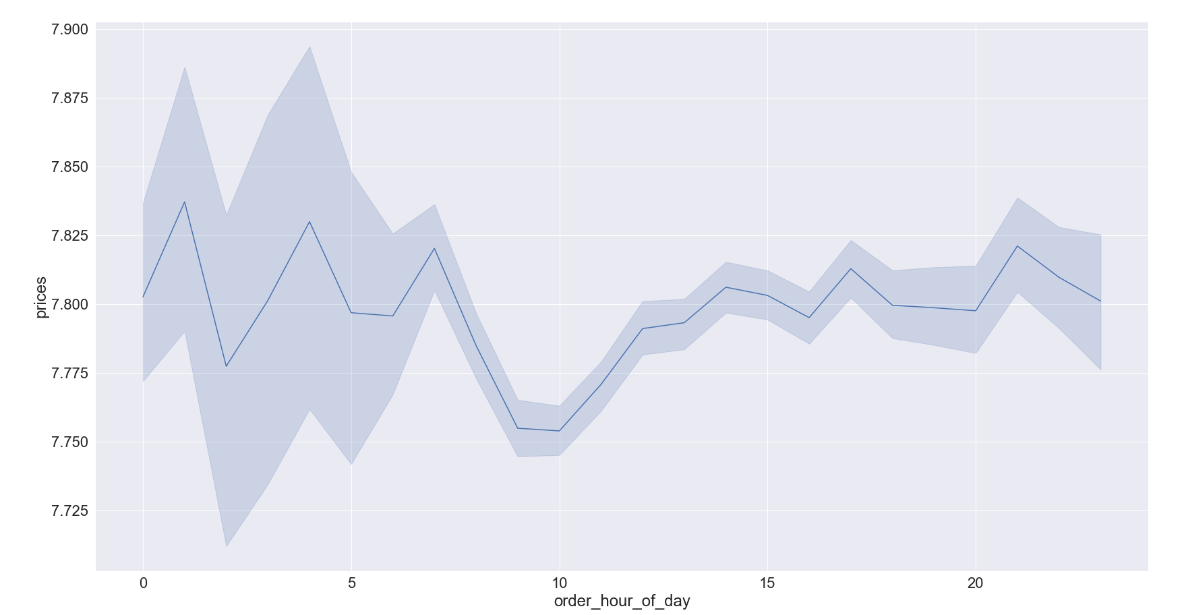

 |  | The line chart here shows the average price of products purchased at each hour of day.
 |  | We can see that on average, the most expensive products are purchased from around 12 pm till around 7 am.

 |  | RECOMMENDATION: Sales team needs to analyze the time 12pm till around 7am in order to place ads for high range products.

 | Q3. Instacart has a lot of products with different price tags. Marketing and sales want to use simpler price range groupings to help direct their efforts.
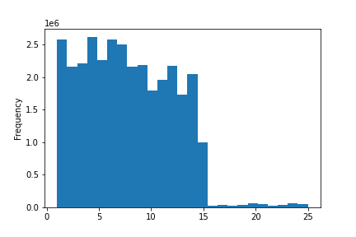

 |  | The histogram above presents the distribution of prices for products. Here we can see that most of the prices are lower than 15$. The products, therefore, have been grouped as follows: If the item’s price is lower than or equal to $5, it will be labeled a “low-range product.” If the item’s price is above $5 but lower than or equal to $15, it will be labeled a “mid-range product.” If the item’s price is above $15, it will be labeled a “high-range product.”

 |  | The pie chart represents the composition of products by price range. We can see that the largest share of products (66%) are mid-range products 33% of the products are low-range products and only 1% of the products are high-range products. |  | The pie chart represents the composition of orders by product ranges. Here we can see that the largest share of orders(67%) are mid-range products 31% of the orders are low-range products and only 1% of the orders are high-range products.

 |  | RECOMMENDATION: Low-range products contain 33% of the available products but their share in sales is only 31%. These products should be further analyzed based on frequency of orders.

 | Q4. Are there certain types of products that are more popular than others? The marketing and sales teams want to know which departments have the highest frequency of product orders.
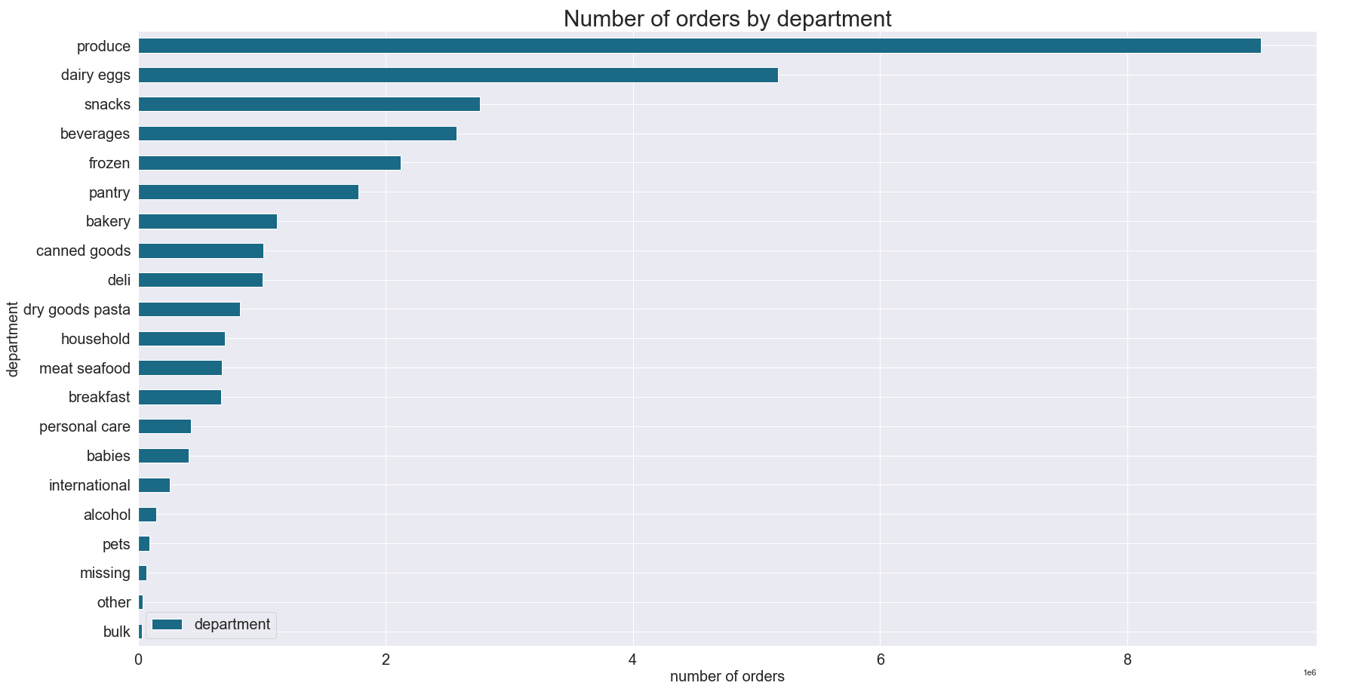
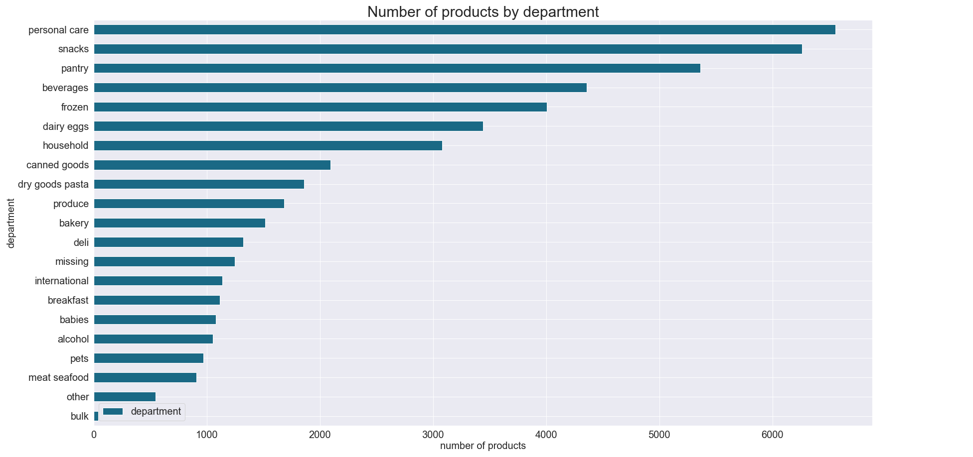

 |  | The bar chart above presents number of orders by department. We can notice that the highest number of purchased products were from produce department, followed by dairy eggs, snacks, beverages and frozen departments. The least number of purchases were made from bulk department. |  |  |  | The bar chart above presents number of proucts by department. We can notice that the highest number of products are available in personal care department, followed by snacks, pantry, beverages and frozen departments.

 |  | RECOMMENDATION: Special attention should be paid to snacks and beverages, since they are available in large numbers and can be advertized more frequently. The sales for personal care department should be further analyzed for efficiency and maybe advertised more actively, since it contains the highest number of products, but the orders from this department are extremely low in comparison to other departments.

 | Q5. a. What’s the distribution among users in regards to their brand loyalty (i.e., how often do they return to Instacart)?

 |  | Customers were grouped into 3 categories based on the amount of their orders: 'Loyal customer' - more than 40 orders 'Regular customer'- equal to or less than 40 and more than 10 orders 'New customer'- equal to or less than 10 orders

 |  | The pie chart represents the distribution of customers based on brand loyalty. We can see that almost half of the customers(47%) are regular customers, 42% - new customers and only 10%-loyal customers. |  | The pie chart represents the composition of orders based on brand loyalty. We can see that around half of the orders are made by regular customers (51%), 33% of orders are made by loyal customers andonly 16% of orders are made by new customers.

 |  | RECOMMENDATION: New customers and regular customers should be encouraged to order more by targeted ads.

 | Q5. b. Are there differences in ordering habits based on a customer’s loyalty status?

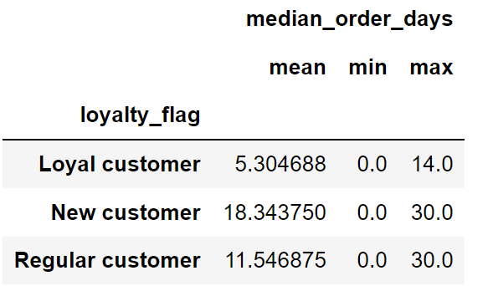
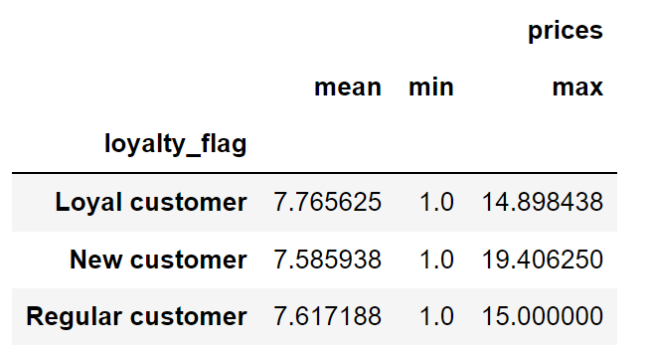

 |  | The table above shows the mean, min and max of median days between orders for customers based on loyalty flags. We can notice that the average median days between orders for loyal customers is more than twice fewer than for regular customers, while for new customers it is 18 days. Maximum days between orders is also more than twice fewer for loyal customers in comparison to regular and new customers. |  | The table above shows the mean, min and max of order prices for customers based on loyalty flags. We can notice that the average price for loyal customers is a bit higher than for regular and new customers, while maximum price is the lowest ($14.9 ). New customers have the highest maximum price of $19.4.

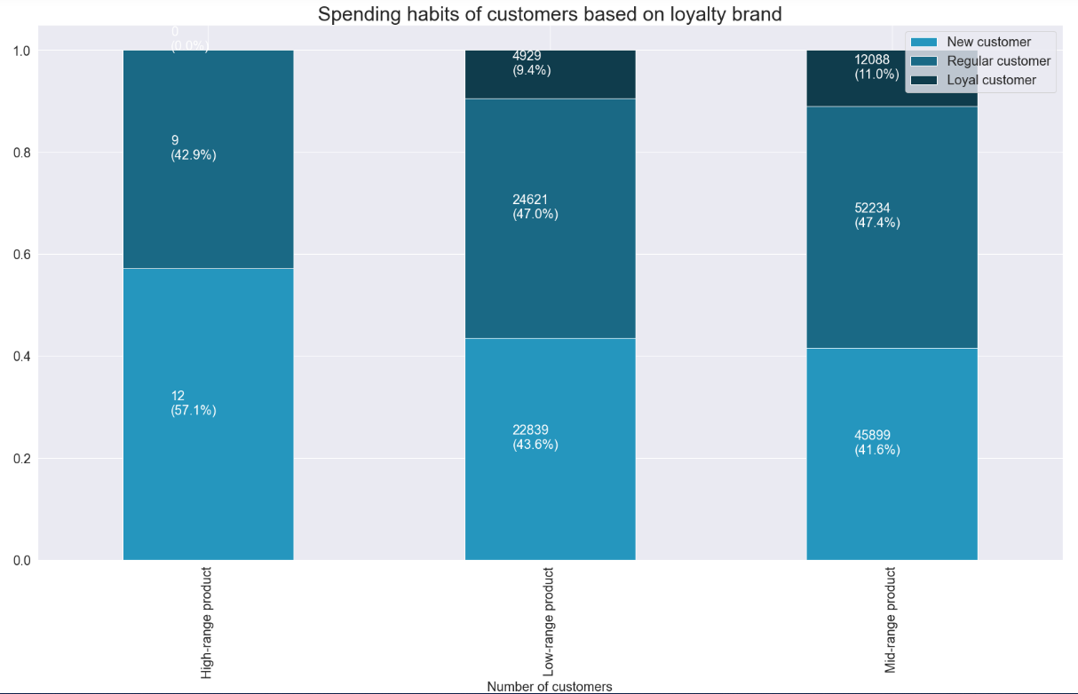

 |  | The stacked bar chart above presents the spending habits of customers based on loyalty brand. We can see that 57% of high-range products are purchased by new customers, while the rest is purhcased by regular customers, loyal customers don't purchase any high-range products. Almost half of the low-range (47%) and mid-range (47.4%) products are purchased by regular customers 43.6% of low-range and 41.6% of mid-range products are purchased by new customers. The rest 9.4% of low-range and 11% of mid-range products are purchased by loyal customers.

 |  | RECOMMENDATION: New customers and regular customers should be sent regular notifications to make orders in order to encourage them to continue ordering.

 | Q5. c. Are there differences in ordering habits based on a customer’s region?
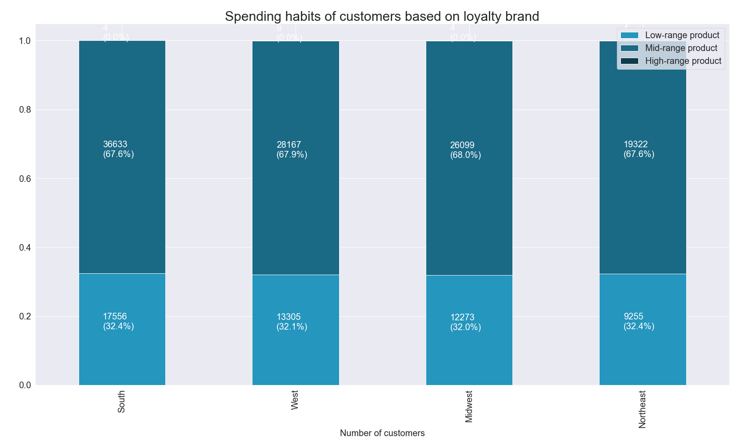
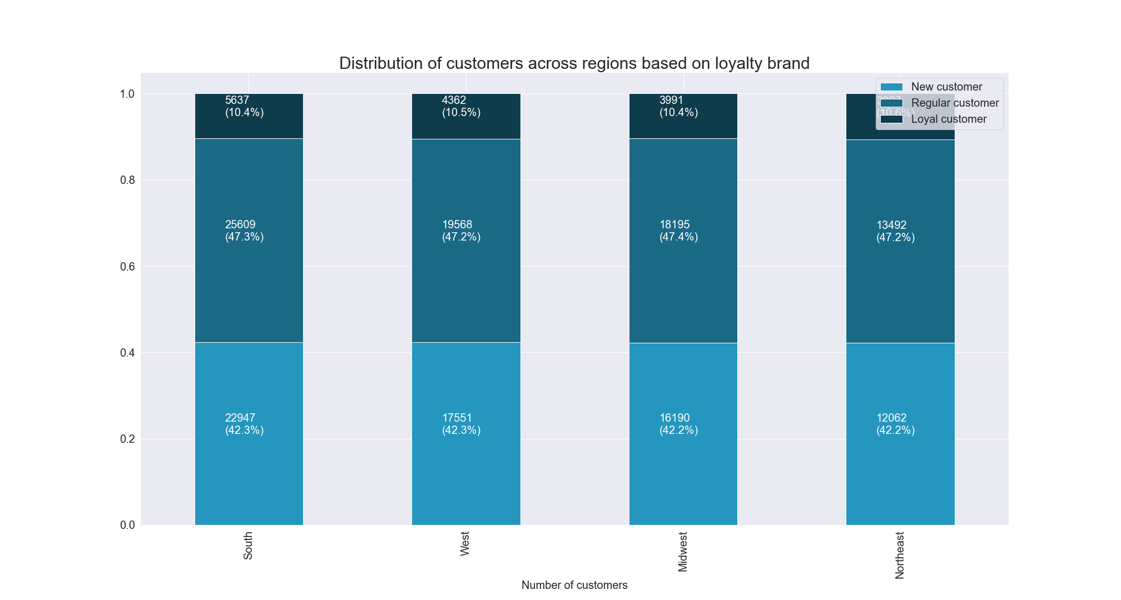

 |  | The stacked bar chart represents the distribution of customers across regions based on brand loyalty. We can see that the loyalty brands are distributed almost identically across all regions. |  |  |  | The stacked bar chart represents the spending habit of customers across regions based onproduct price range. We can see that the products are purchased in almost identical manner across all regions.

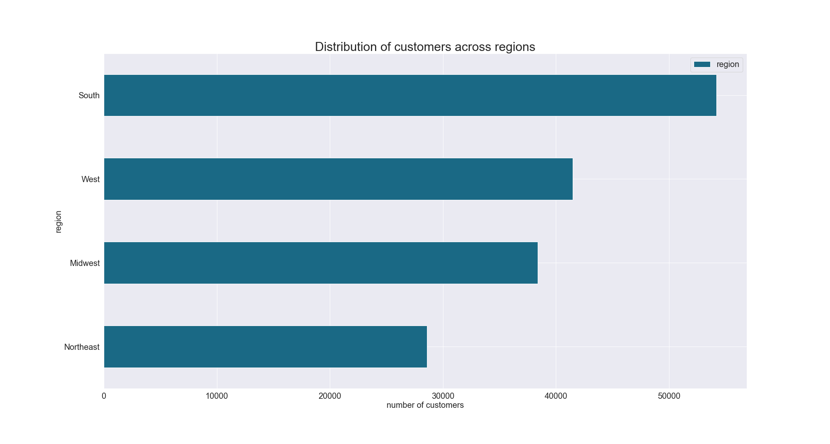

 |  | The bar chart represents the number of customers across regions. We can see that the highest number of customers are in South, followed by West and Midwest, while the owest number of customers is in Northeast. These numbers correspond to the population sizes of these regions.

 |  | RECOMMENDATION: The number of customers from regions corresponds to the population size of these regions. So the ads should be targeted to increase customer base across all regions.

 | Q5. d. Is there a connection between age and family status in terms of ordering habits?

 |  | Customers were grouped into 3 categories based on their age: 'Young aged ' - 35 or younger 'Middle aged'- older than 35 and younger than 56 'Older aged'- 56 and older
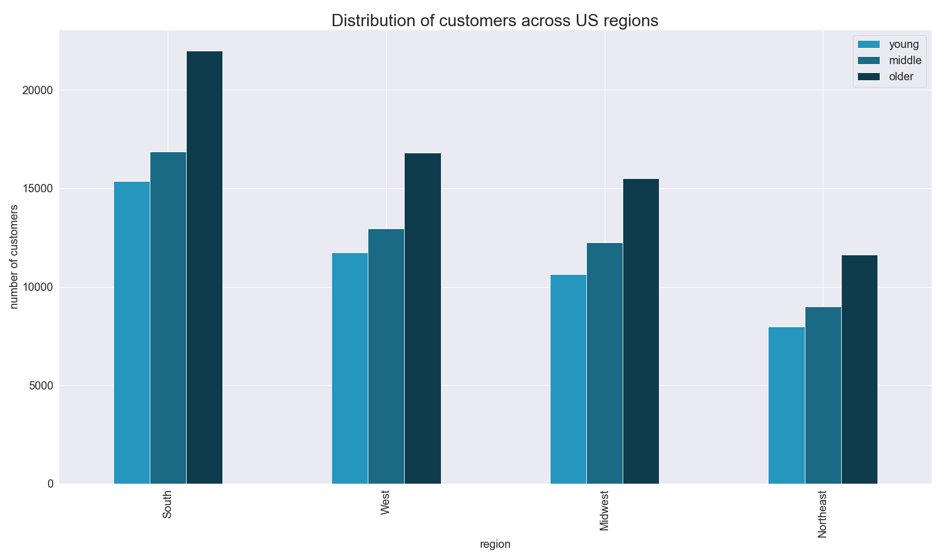
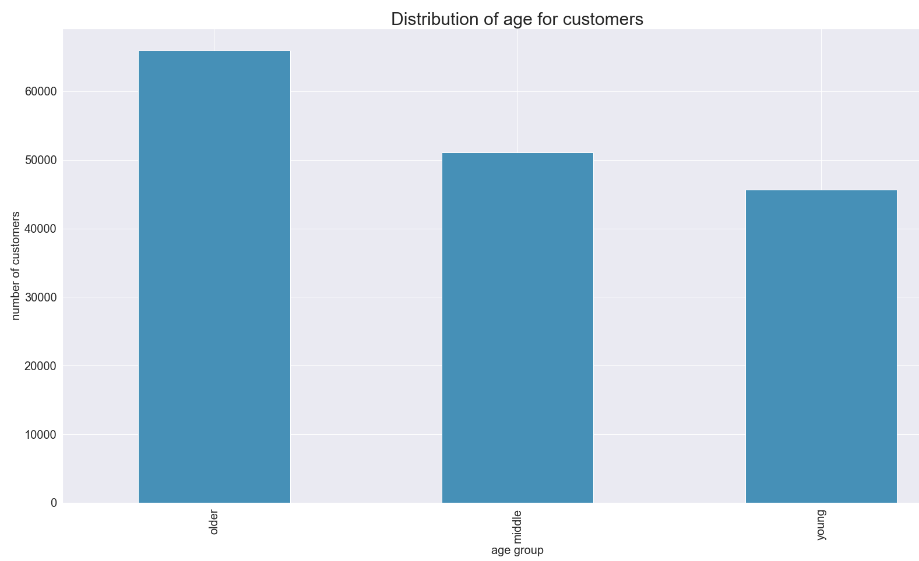

 |  | The bar chart represents the distribution of age for customers. We can see that the highest number of customers (around 40%) are older aged, follwed by middle aged (31%) and young aged (28%). The orders by these age groups are distributed almost the same. |  |  |  | The bar chart represents the distribution of customers across US regions based on their age. In general, we can say that the age distribution of customers across all regions is almost similar.

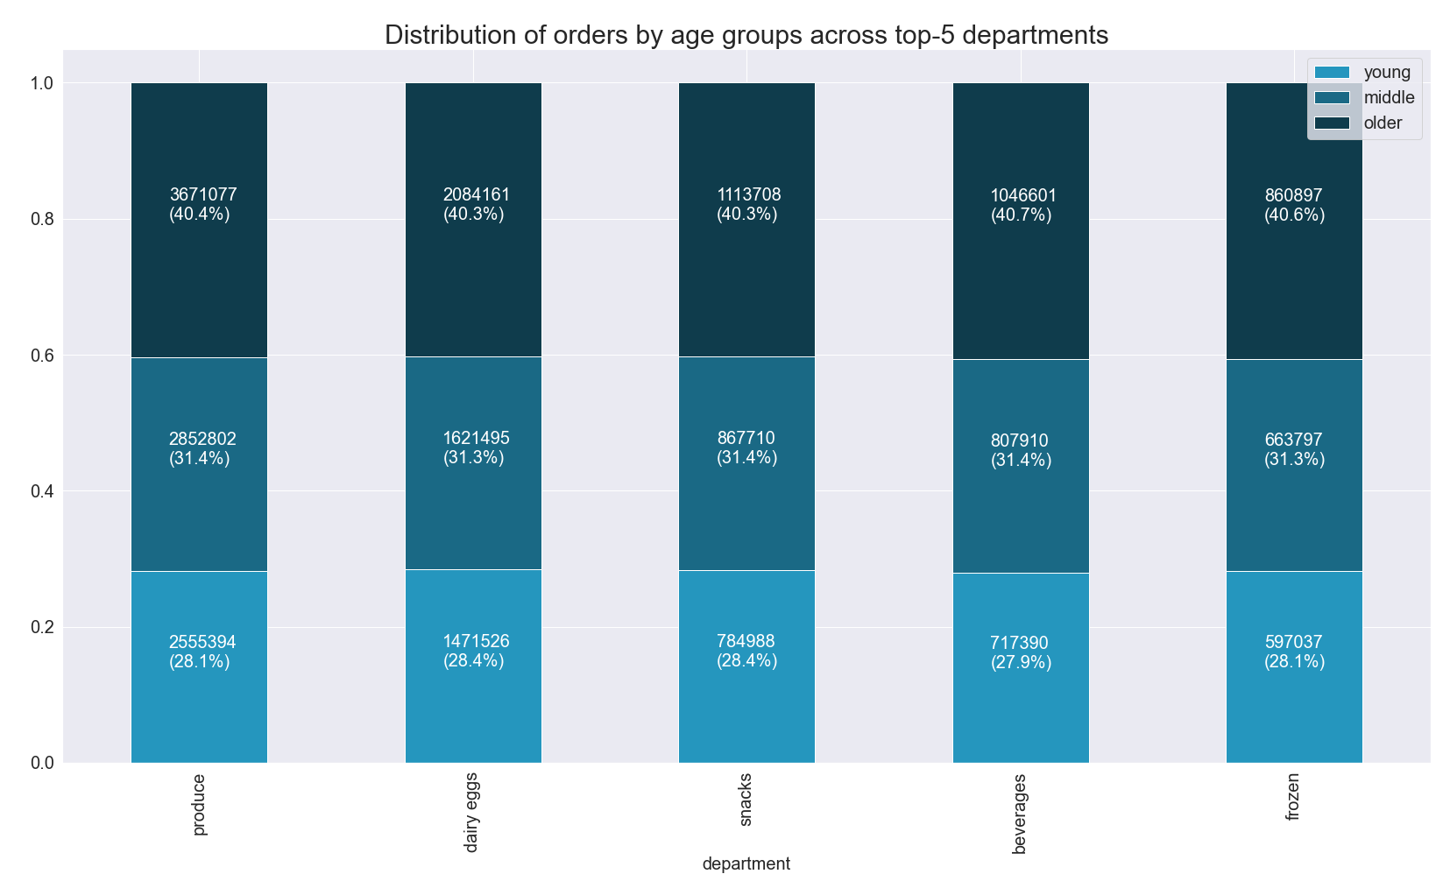

 |  | The stacked bar chart shows the distribution of orders by age group across top-5 departments. And we could see that the distribution of orders is almost similar across all 5 departments. It should also be noted that the frequency of orders by department for all age groups is similar.

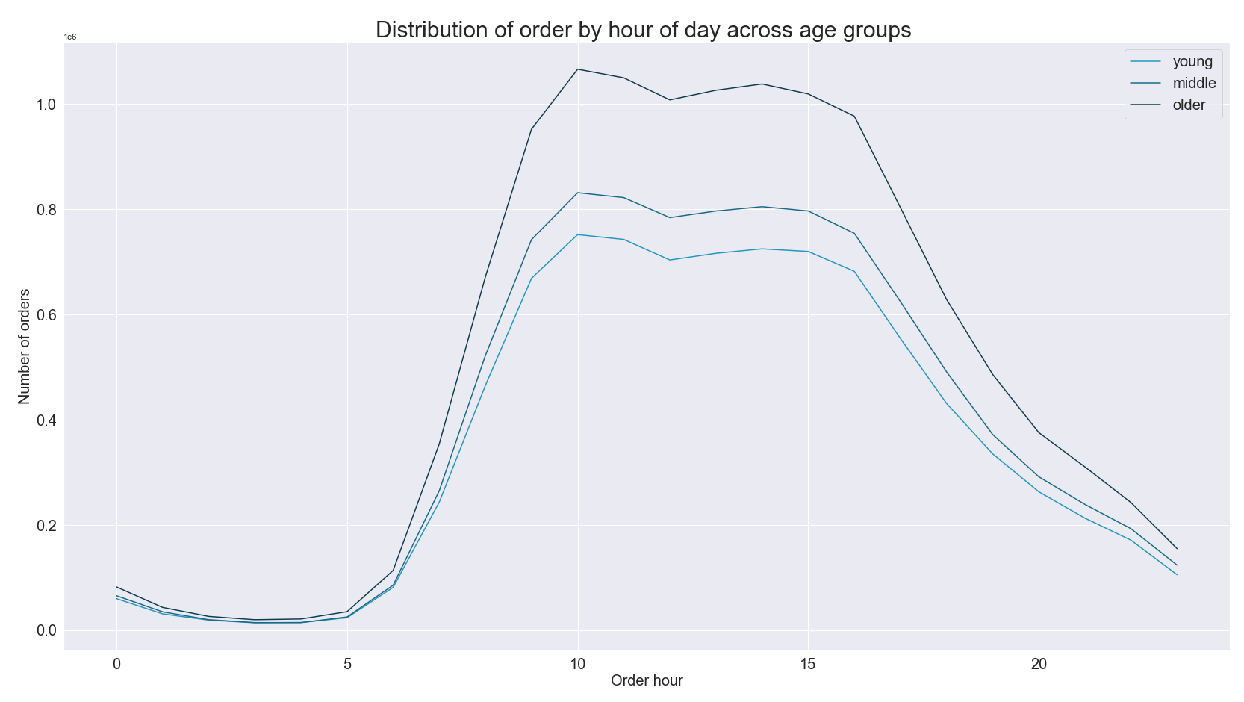
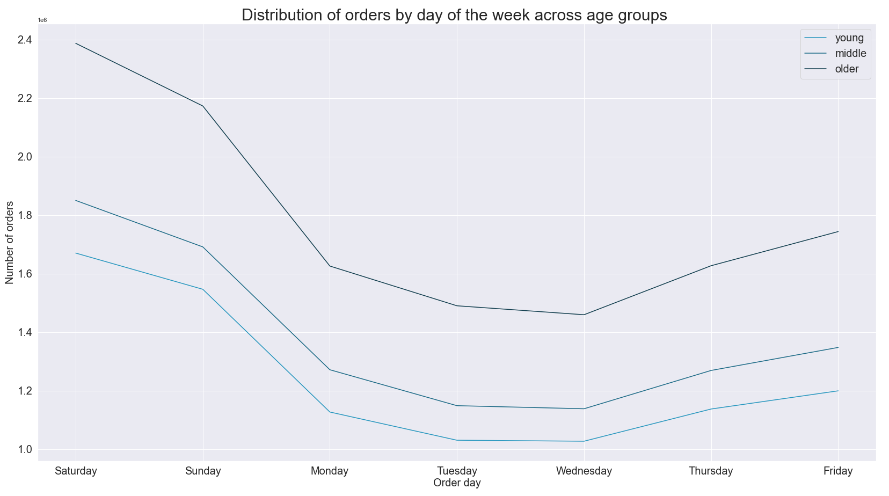

 |  | The line chart above shows the distribution of orders by hour of day across age groups. We can see that the order hours don't really differ across age groups. Time from 9am till 4pm is still the most popular ordering timer for all age groups. |  |  |  |  | The linechart above shows the distribution of orders by day of the week across age groups. And we can notice that, as it was the case with order hours, the peak order days are similar for all age groups.

 |  |  | Loyal customers |  | Regular customers |  |  | New customers

 |  | The pie charts above demonstrate the distribution of age groups across loyalty groups. We can see that the percentage of young, middle and older aged customers are equally distributed among all loyalty brands.

 |  | The ltable above shows the mean, minimum and maximum average days between orders and prices for age groups. We can notice that there is only small difference in the ordering habits among these groups. The mean average pprice for older customers is higher than for young customers by 0.01 and for middle aged customers by 0.008

 | RECOMMENDATION: The customer base should be increased by putting targeting ads for middle and younger aged customers. Ads should be scheduled from 4 pm till 9 am during weekdays for customers of all ages, since their ordering behavior is similar.

 | Q5. e. What different classifications does the demographic information suggest? Age? Income? Certain types of goods? Family status?

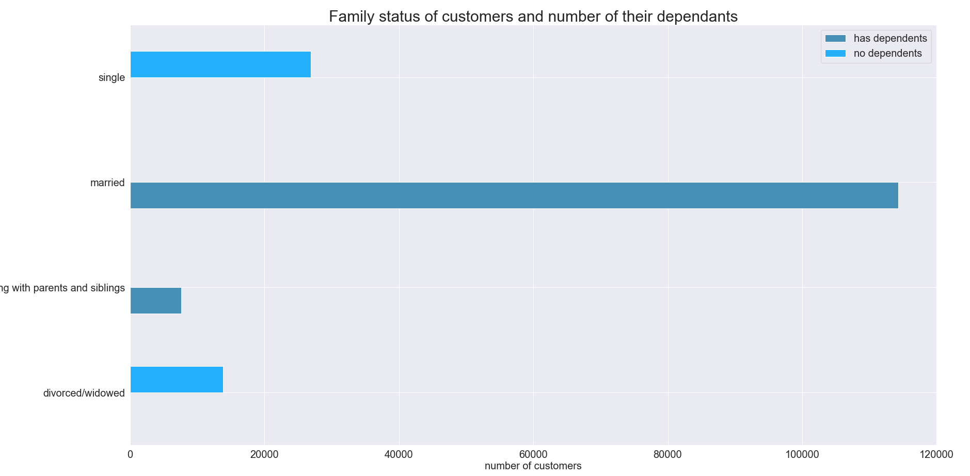
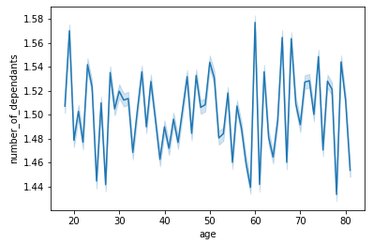

 |  | The line chart above shows the relationship between number of dependants and age. We can see that there is no correlations between these 2 factors. Customers of all ages could have depednants. |  |  |  | The bar chart above shows the family status of customers and number of their dependants, we can see that single and divorced\widowed people have no dependants, while all of the married people and people living with parents have dependnats. We can also notice that around 66% of the customers are married with dependants.

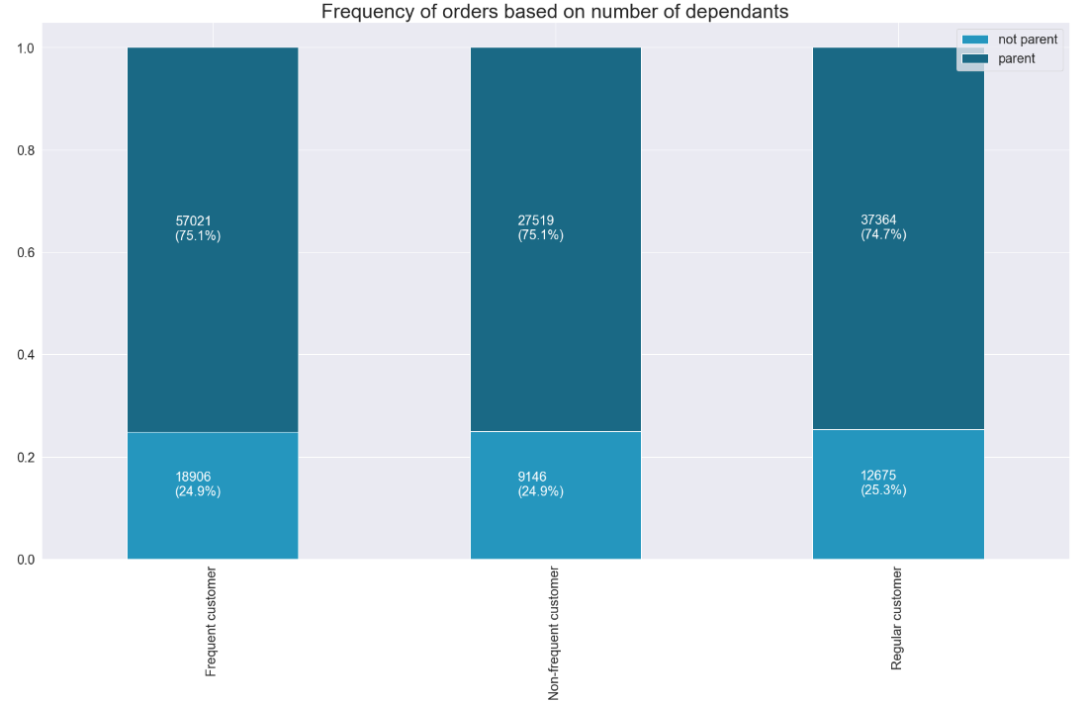

 |  | The stacked bar chart above shows the frequency of orders based on number of dependants. We can see that the frequncy of orders changes by a bit based on number of dependants. |  |  |  | The table above shows the summary statistics for median days between orders and order prices for customers with dependants and without dependants. We can see that there is only slight difference between average median days between orders.

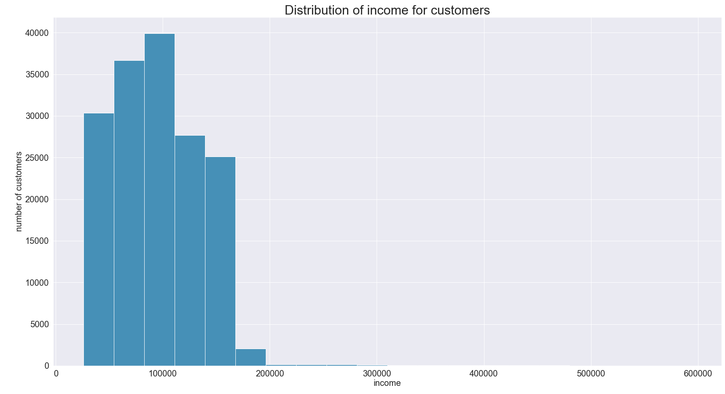


 |  | The histogram above shows distribution of income for customers. The customers were divided into 3 groups based on their income range: if income<52000, customer has 'low income', if income>=52000 and <156000, then customer has 'middle income', if income>=156000, customer has 'high income'. |  |  |  | The scatterplot above shows the reationship between age and income for customers. We can notice that the maximum income for people over 40 is around 600,000, while maximum income for people under 40 is 400,000.

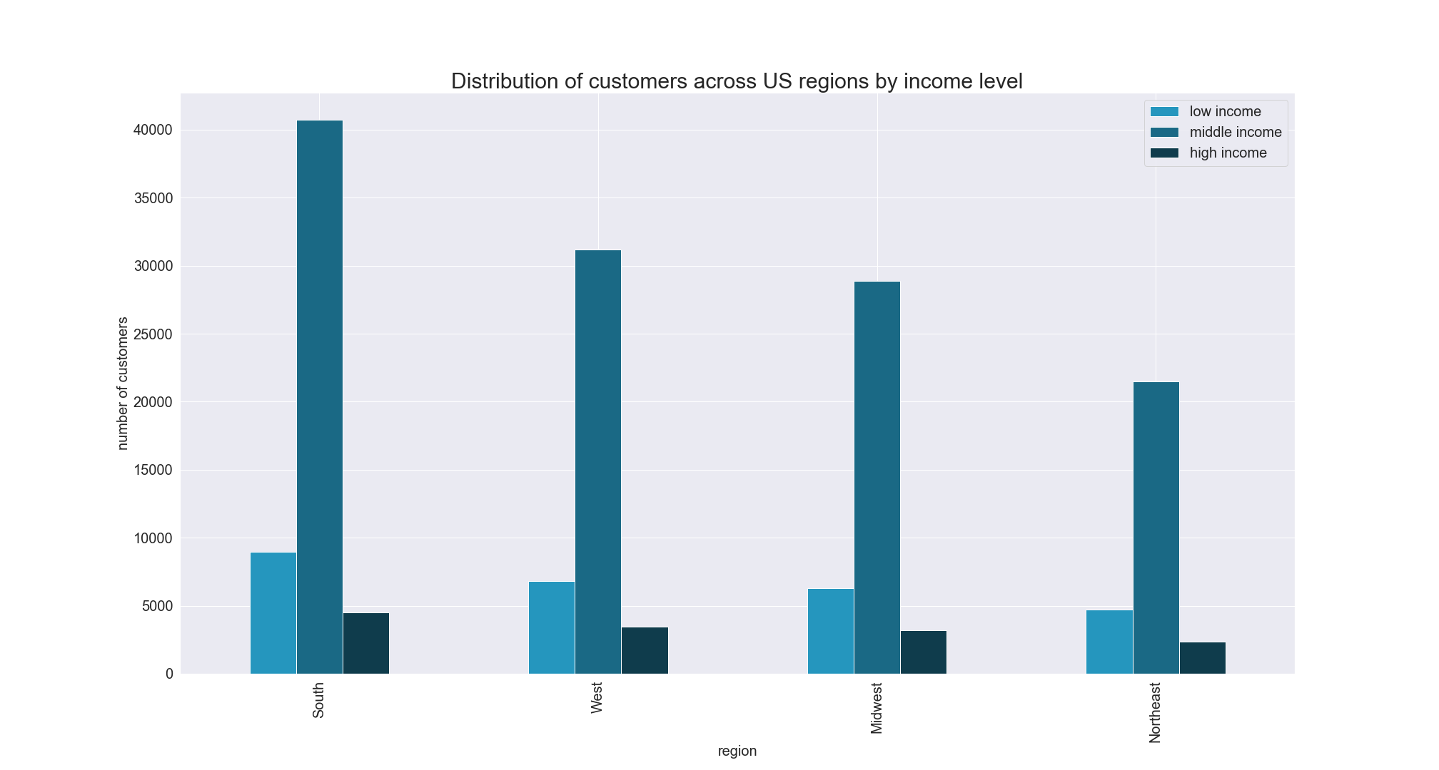
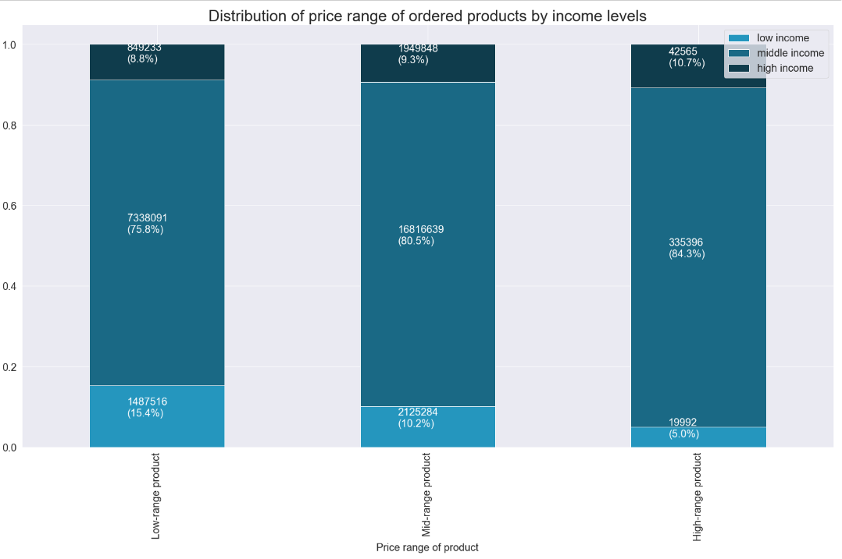

 |  | The bar chart above shows the distribution of customers across US regions by income level. We can see that this distribution is almost similar taking into account population size of regions. |  |  |  | The stacked bar chart above shows the distribution of price range of ordered products by income levels. We can see that the share of orders by low income customers significantly declines with the increase of product price.

 |  | RECOMMENDATION: Revenue could be increased by advertising more expensive products to customers with higher income and cheaper/mid-range products to customers with lower income based on their order history.

Q5. f. What differences can you find in ordering habits of different customer profiles? Consider the price of orders, the frequency of orders, the products customers are ordering, and anything else you can think of.

 |  | The pie chart shows the distribution of customers who bought baby stuff at least once and customers who have never bought baby stuff. |  |  |  | The table shows the summary statistics of median days between orders and average price of products bought by customers who have bought baby stuff at least once and customers who have never boyght baby stuff. We can see that the customers who bought baby stuff order more frequently and the average price of their orders is a bit higher.

 |  | The pie chart shows the distribution of customers who boughtpet stuff at least once and customers who have never bought pet stuff. |  |  |  | The table shows the summary statistics of median days between orders and average price of products bought by customers who have bought pet stuff at least once and customers who have never boyght pet stuff. We can see that the customers who bought pet stuff order more frequently and the average price of their orders is a bit higher.

 |  | The pie chart shows the distribution of customers who bought meat/seafood at least once and customers who have never bought meat/seafood.
 |  |  |  |  |  | The table shows the summary statistics of median days between orders and average price of products bought by customers who have boughtmeat/seafood at least once and customers who have never boyghtmeat/seafood. We can see that the customers who bought meat/seafood order a lot more frequently and the average price of their orders higher by $0.9. Also maximum price of orders by people who haven't ordered meat/seafood is by $5 less.

 |  | The pie chart shows the distribution of customers who bought alcohol at least once and customers who have never bought alcohol. |  |  |  | The table shows the summary statistics of median days between orders and average price of products bought by customers who have bought alcohol at least once and customers who have never boyght alcohol. We can see that the customers who bought alcohol order slightly more frequently but the average price of their orders is a bit lower.

 |  | RECOMMENDATION: Customers should be targeted with ads based on their order history in order to encourage them to order more frequently and become loyal customers. Baby and pet stuff should be advertised to only customers who have bought them, since these are relatively specific items and the share of customers who bought them is relatively small. Customers who never bough meat/seafood should be targeted with ads in order to encourage them to buy more frequently.

Only recommendations
Recommendations

Question | Answer
Key Question 1 | Ads should be scheduled from 4 pm till 9 am during weekdays when the ordering activity is at minimum.
Key Question 2 | Sales team needs to analyze the time 12pm till around 7am in order to place ads for high range products.
Key Question 3 | Low-range products contain 33% of the available products but their share in sales is only 31%. These products should be further analyzed based on frequency of orders.
Key Question 4 | Special attention should be paid to snacks and beverages, since they are available in large numbers and can be advertized more frequently. The sales for personal care department should be further analyzed for efficiency and maybe advertised more actively, since it contains the highest number of products, but the orders from this department are extremely low in comparison to other departments.

Key Question 5 | New customers and regular customers should be encouraged to order more by targeted ads.
Key Question 6 | New customers and regular customers should be sent regular notifications to make orders in order to encourage them to continue ordering.
Key Question 7 | The number of customers from regions corresponds to the population size of these regions. So the ads should be targeted to increase customer base across all regions.
Key Question 8 | The customer base should be increased by putting targeting ads for middle and younger aged customers. Ads should be scheduled from 4 pm till 9 am during weekdays for customers of all ages, since their ordering behavior is similar.

Key Question 9 | Revenue could be increased by advertising more expensive products to customers with higher income and cheaper/mid-range products to customers with lower income based on their order history.

Key Question 10 | Customers should be targeted with ads based on their order history in order to encourage them to order more frequently and become loyal customers. Baby and pet stuff should be advertised to only customers who have bought them, since these are relatively specific items and the share of customers who bought them is relatively small. Customers who never bough meat/seafood should be targeted with ads in order to encourage them to buy more frequently.

